Mind Maps
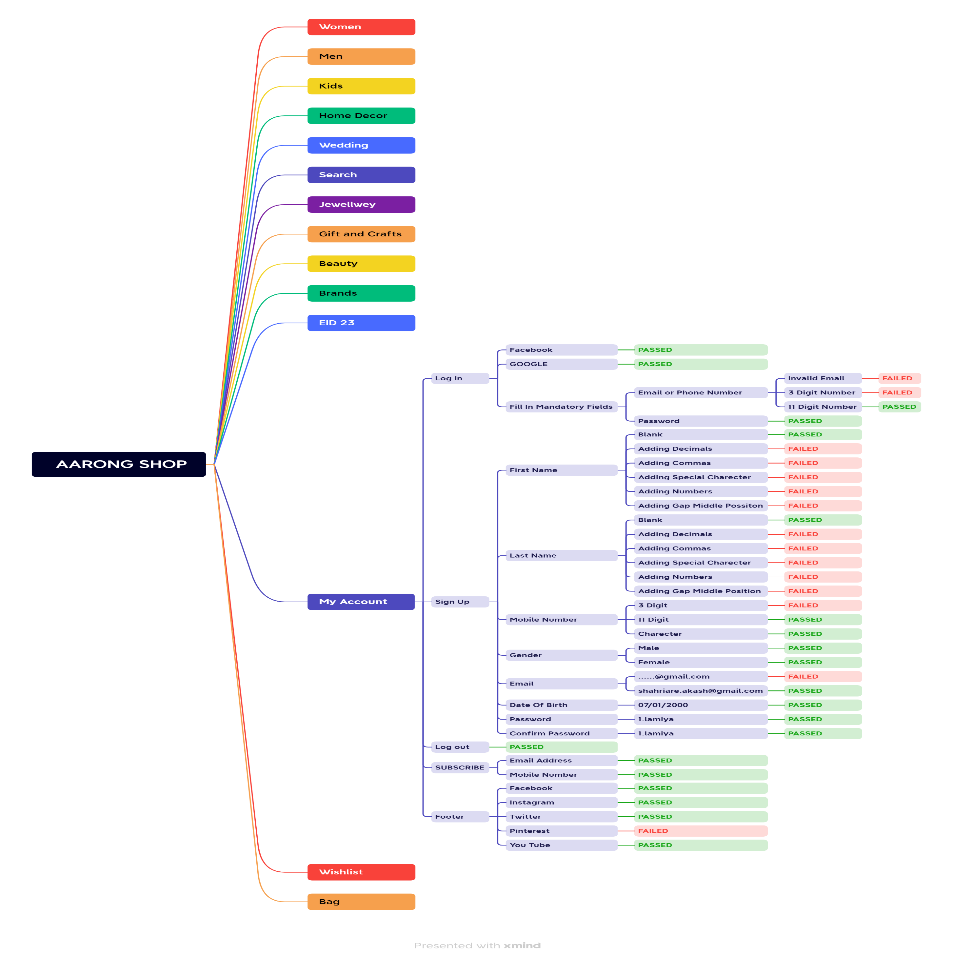

Report
TEST CASE REPORT
Project Name | AARONG Shop
Module Name | Sign Up and Sign In |  |  |  |  |  | Total No. | Status
Test Case Version |  |  |  |  |  |  | 60 | PASS
Written By | Poojashri Shrirao |  |  |  |  |  | 12 | FAIL | Testing Environment | Googlr Chorome Browser
Executed By | Poojashri Shrirao |  |  |  |  |  | 0 | Not Executed
Reviewed By | Rohit Agrawal
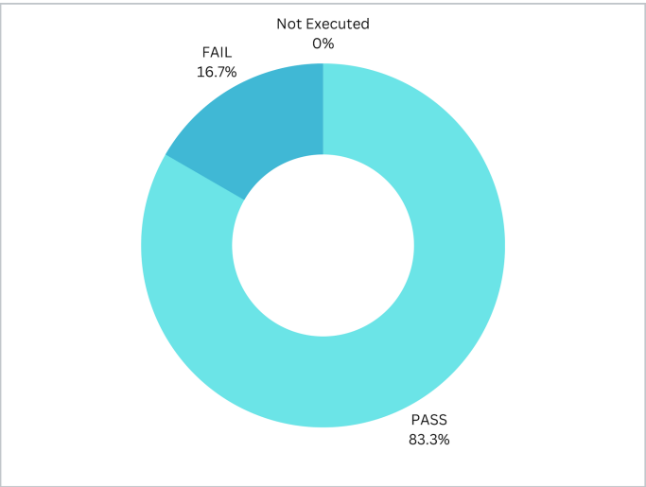
TEST EXECUTION REPORT

Test Case | PASS |  | FAIL | Not Executed | Out Of Scope | Total TC
 | 60 |  | 12 | 0 | 0 | 72

Grand Total | 60 |  | 12 | 0 | 0 | 72

LIMITATIONS
Documents |  |  |  |  | Received | Useful
PRD |  |  |  |  | No | No
USER STORY |  |  |  |  | No | No

 |  | Testing Type in Scope |  | Descriptoon

Yes/ No. Justification (If No): |  | Functional Testing |  | This type of testing ignores the internal parts and focuses only on the output to check if it is as per the requirement or not.

Yes/ No. Justification (If No): |  | Usability Testing |  | Test application from user friendliness perspective.

Yes/ No. Justification (If No): |  | UI Testing |  | UI Testing, also known as GUI Testing is basically a mechanism meant to test the aspects of any software that a user will come into contact with.

Yes/ No. Justification (If No): |  | Browser Compatibility Testing |  | Browser Compatibility Testing is performed for web applications and it ensures that the software can run with the combination of different browser.

Yes/ No. Justification (If No): |  | Boundary Value Testing |  | There is an upper and lower boundary for each range and testing is performed on these boundary values.

